CM Screenshot
1 | Placing of Buy & Sell orders : Market / Limit / Stop Loss
i | Limit Order

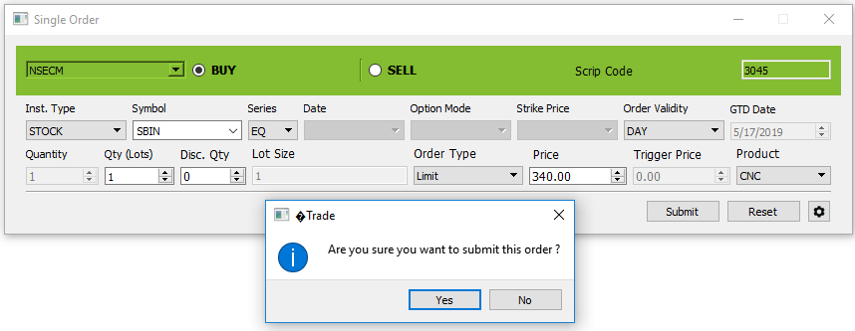

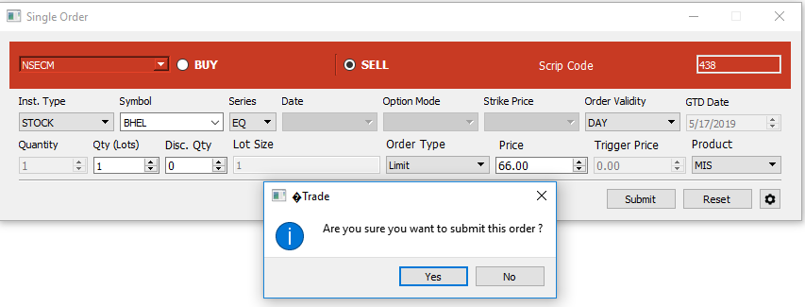

 | Market Order

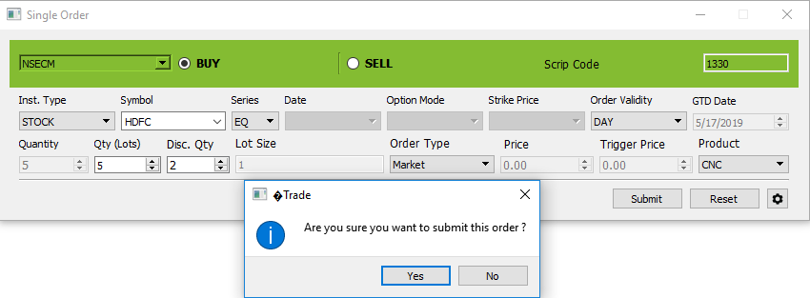

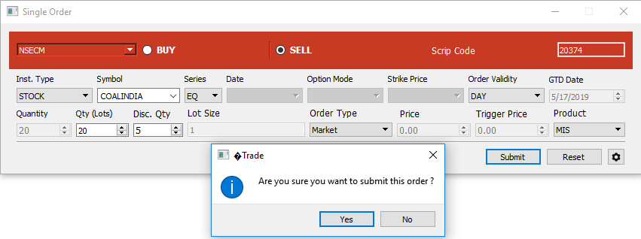

 | Stop Loss Limit Order
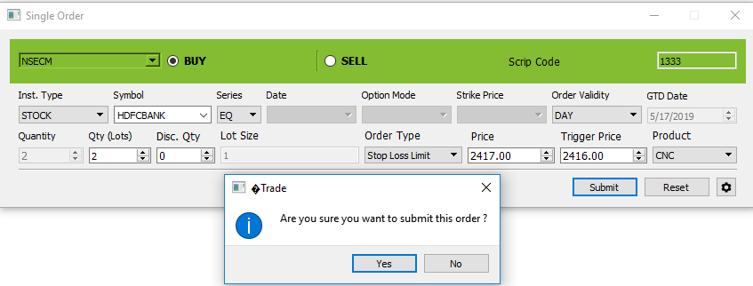

 | Stoploss Trigger Open

 | Sell Stoploss Limit Order

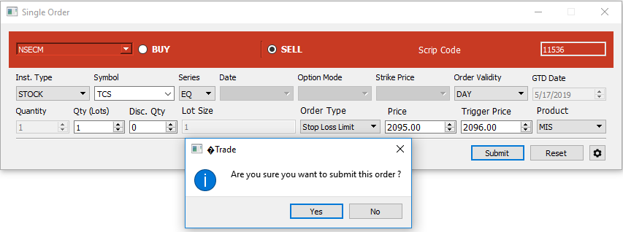

 | Sell Stoploss Trigger

2 | Placing of Buy & Sell orders : Only Day & IOC orders
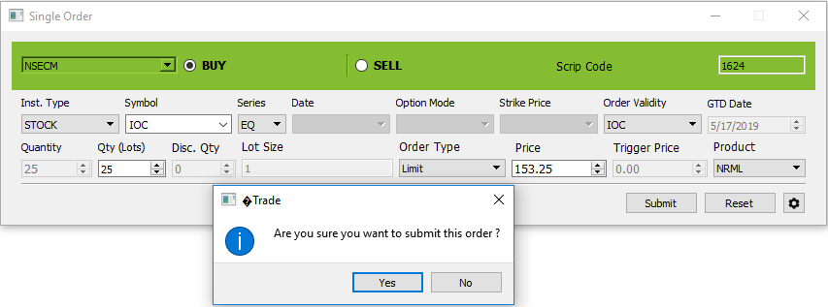

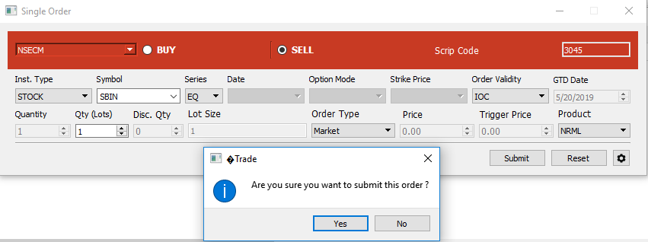

4 | Display of total orders on the buy side & sell side

10 | The order duration should appear - Day and IOC

11 | DQ field should be enterable only for RL book. In RL book it should not be available for IOC orders.

12 | DQ qty % should be check on front end

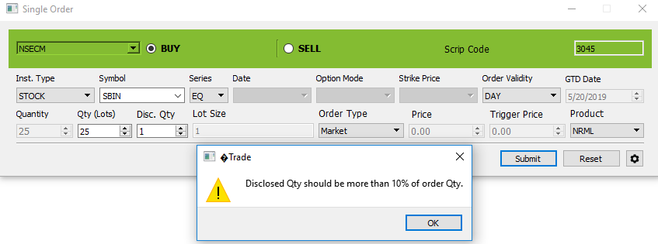

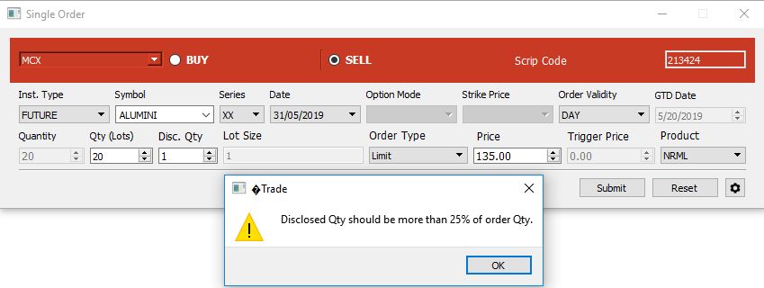

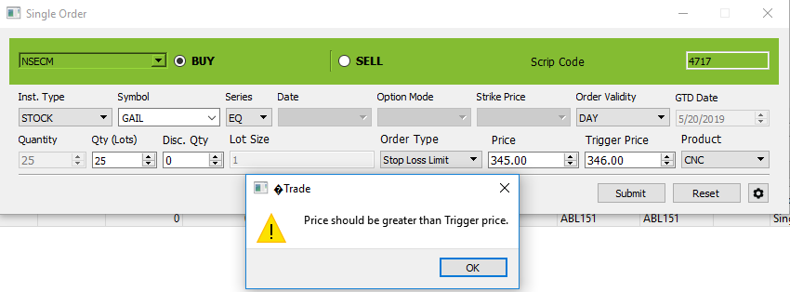
14

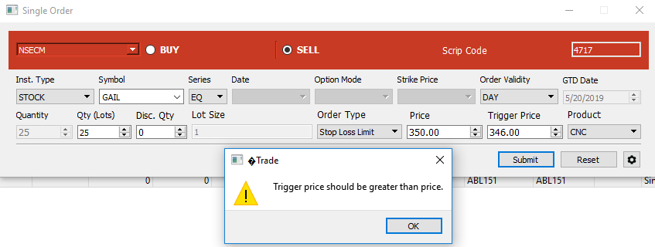

18 | Modification of Partially Traded Order

20 | Non DQ order to DQ order and vice versa.

 | DQ order to non-DQ orde

21 | Change in DQ quantity in case of DQ order

23 | Modification / Cancellation of Stop Loss orders after Triggering

 | Stop Loss MARKET Order

 | Stop Loss Modifcation after trigger

 | Stop Loss cancel order

24 | In order modification only following fields should be modifyable: Book type, Quantity, Price, Trigger price, order duration, DQ, Remarks. Market status check should be applicable.

31 | Order entry default Minimum Lot Size & Tick Size

38 | Display of "Last trade price", Time & Date

41 | Viewing trades executed should display full details pertaining to the trades including Market Type, Order Number, Trade Number, Trade Time, Quantity

56 | Help File

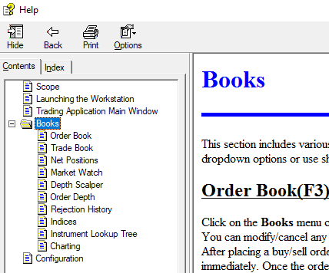

57 | If the screen is inactive for some time, terminal should get locked

59 | Set up of Market Watch

 | Add Scrip

 | Delete Scrip

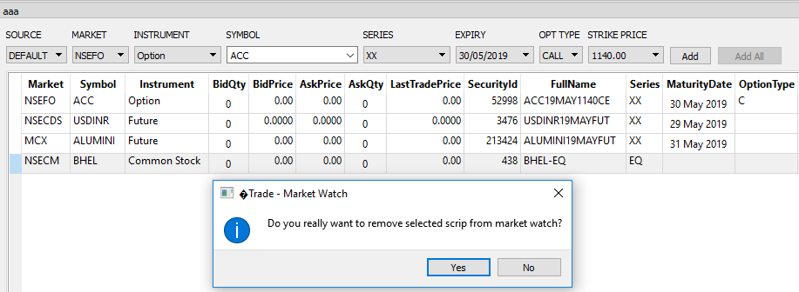

61 | Cumulative Net Position of Client

62 | Multiple simultaneous log ins using the same user id password should not be permitted

 | If we are login with the same client simultaneously & any activity performed on the first login application, below window should be displayed

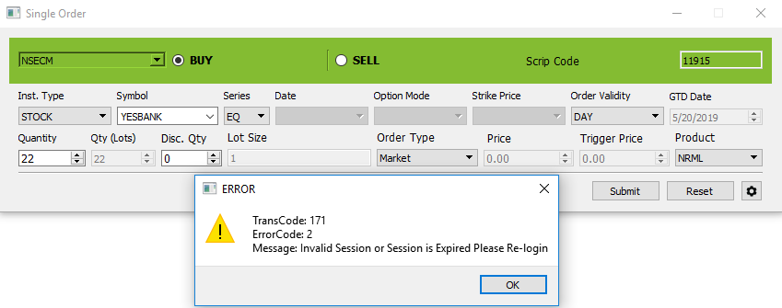

70 | New password should be different from old password

71 | Login ID of User and Password shall not be the same

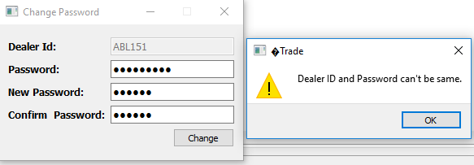

72 | Password must have min 6 chars and max 12 chars

81 | Message filtering possible : Exchange Message / Order related / Trade related

83 | Online Net Positions of the clients contractwise info should be provided to clients on the system (Contract, Quantity, Price Avg Buy, Avg Sell, Net Position, Qty, Value)

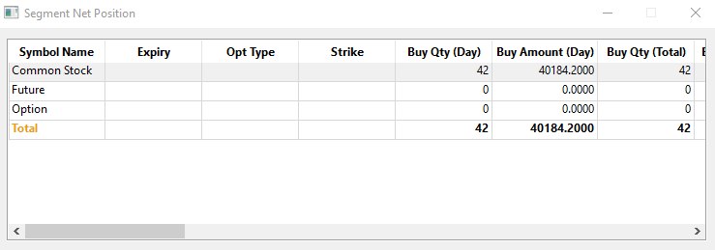

84 | All Open Position / Close / All, else either should be visible.

63 | User should be automatically Logged Off on exiting from the application

73 | Pwd must be encrypted at members' end so that employees cannot view the same

45 | Quantity limit for each order

 | CASH

 | FNO

 | MCX

46 | Order limit for each order

47 | Value limit for each order (Max Rs 10 cr)

77 | Price Freezes Messages / Out of Days Range / cancelled by exchanged / awaiting Exchange action

